PRICES
BASIC BOOTH FITTINGS - 2018
TRAVELMART LATINOAMERICA

Exhibition: |  | Booth: |  |  |  | Date:
Exhibitor: |  | CUIT: |  |  |  | Tel.:
Adress: |  | E-mail:

To begin the assembly and/or placement of the request, the corresponding payment must be completly paid out (accredited) with a 7 days top prior to the start of the armed.

I N F R A E S T R U C T U R E
CODE | DESCRIPTION | WIDTH | DEPTH | HEIGHT | u$s | QUANTITY | AMOUNT
PANELS and TRIMMING are quoted by modules of 1.00m. If the requested measures are lower or with fraction, the upper value will be quoted (eg a 0,50 or 0,75 meter valence has a value of 1.00m)
PA-01 | SYMA WHITE PANEL | 1.00 |  | 2.50 | 22.00
PV-01 | SYMA PANEL WITH GLASS BASE 0,75m (GLASS H: 1,45m) | 1.00 |  | 2.50 | 56.00
AV-02 | DOOR WITH LOCK | 0.75 |  | 2.08 | 127.00 |  | 0.00

F U R N I T U R E
CODE | DESCRIPTION | WIDTH | DEPTH | HEIGHT | u$s | QUANTITY | AMOUNT
MO-50 | DESK WITH DRAWERS - BLACK - BEECH TOP | 1.30 | 0.70 | 0.75 | 100.00 |  | 0.00
MO-12 | FILE CABINET WITH SLINDING DOORS - BEECH TOP | 1.00 | 0.40 | 0.80 | 100.00 |  | 0.00
MO-10 | SWIVEL BLACK CHAIR WITH ARMREST | 0.70 | 0.50 | REG | 70.00 |  | 0.00
MO-08 | SWIVEL CHAIR WITHOUT ARMREST - BLACK UPHOLSTERED | 0.65 | 0.50 | REG | 30.00 |  | 0.00
MO-80 | CLOTHES STAND CHROMO | 0.30 | 0.30 | 1.60 | 70.00 |  | 0.00
MO-81 | CLOTHES STAND BLACK TUBE | 0.30 | 0.30 | 1.60 | 35.00 |  | 0.00
MO-71 | FLIER CONTAINER | 0.30 | 0.35 | 1.20 | 100.00 |  | 0.00
FR-01 | SMALL FREEDGE - "TO CONSULT STOCK" |  |  |  | 340.00 |  | 0.00
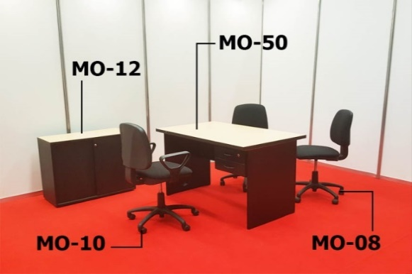 | 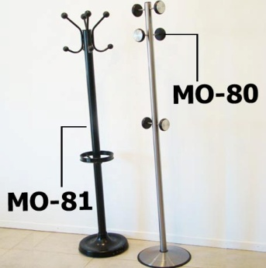 |  |  | 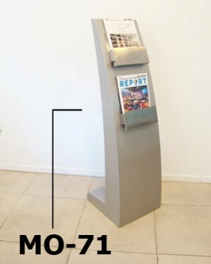
MO-26 | SMALL ROUND TABLE BLACK BASE AND TOP 85cm Diam. | diam. | 0.85 | 0.75 | 70.00 |  | 0.00
MO-06 | DELTA CHAIR - CHROME BASE - BLACK SEAT | 0.55 | 0.47 | 0.82 | 35.00 |  | 0.00
MO-17 | BLACK CHROME CHAIR WITH ARMREST - "JIM" | 0.48 | 0.40 | 0.80 | 45.00 |  | 0.00
MO-05 | TAPESTRIED CHAIR - BLUE OR GREY | 0.50 | 0.54 | 0.78 | 20.00 |  | 0.00
MO-75 | UPHOLSTERED CHAIR "IMPERIO" | 0.44 | 0.54 | 0.98 | 24.00 |  | 0.00
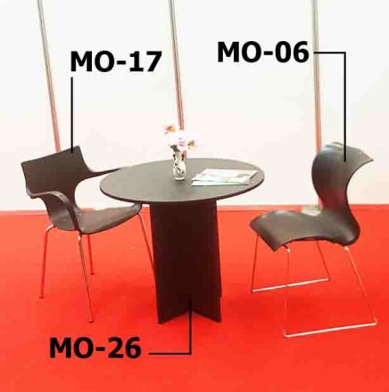 | 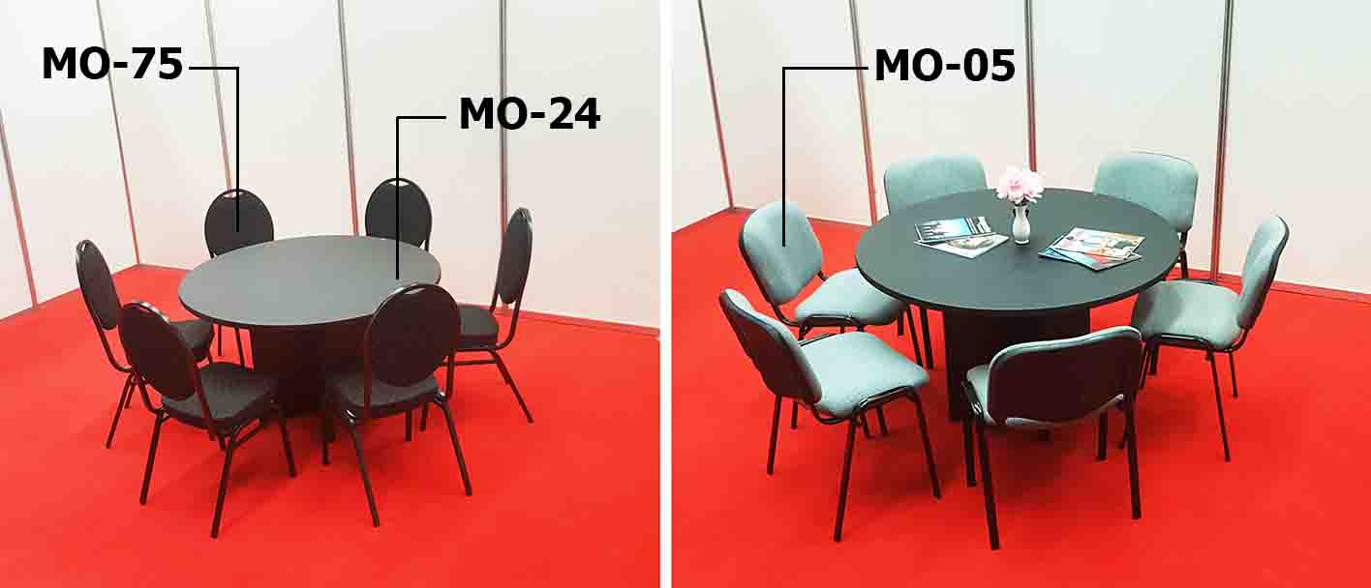 |  |  |  |  |  | 0.00
MO-90 | ARMCHAIR BLACK ECO-LETHER, DOUBLE | 1.39 | 0.76 | 0.68 | 245.00 |  | 0.00
MO-91 | ARMCHAIR BLACK ECO-LETHER, SINGLE | 0.81 | 0.70 | 0.80 | 165.00 |  | 0.00
MO-95 | ARMCHAIR CHROME WITH BLACK ECO-LETHER, DOUBLE | 1.20 | 0.80 | 0.70 | 240.00 |  | 0.00
MO-96 | ARMCHAIR CHROME WITH BLACK ECO-LETHER, SINGLE | 0.64 | 0.80 | 0.70 | 195.00 |  | 0.00
MO-29 | LITTLE TABLE CHROME ORBIT BASE AND BLACK TOP | 0.50 | 0.50 | 0.40 | 45.00 |  | 0.00
MO-92 | PUFF WITH BLACK ECO-LETHER | 0.40 | 0.40 | 0.40 | 35.00 |  | 0.00

MO-13 | BAR TABLE | diam. | 0.60 | 0.90 | 70.00 |  | 0.00
MO-15 | BAR STOOL BLACK COLOR | 0.38 | 0.38 | 0.77 | 30.00 |  | 0.00
MO-16H | SQUARE BAR STOOL BLACK, ADJUSTABLE HEIGHT | 0.34 | 0.38 | REG | 60.00 |  | 0.00
MO-16K | SQUARE BAR STOOL WHITE, ADJUSTABLE HEIGHT | 0.34 | 0.38 | REG | 60.00 |  | 0.00
MO-16B | ROUND BAR STOOL "VITRO" BLACK, ADJUSTABLE HEIGHT | 0.46 | 0.42 | REG | 70.00 |  | 0.00
MO-16G | ROUND BAR STOOL "VITRO" WHITE, ADJUSTABLE HEIGHT | 0.46 | 0.42 | REG | 70.00 |  | 0.00
MO-16C | BAR STOOL WITH BLACK ECO-LETHER, ADJUSTABLE HEIGHT | 0.43 | 0.44 | REG | 85.00 |  | 0.00
MO-16M | BAR STOOL WITH WHITE ECO-LETHER, ADJUSTABLE HEIGHT | 0.43 | 0.44 | REG | 85.00 |  | 0.00

S Y M A F U R N I T U R E
CODE | DESCRIPTION | WIDTH | DEPTH | HEIGHT | u$s | QUANTITY | AMOUNT
MC-01P | COUNTER WITH SLIDING DOORS | 1.00 | 0.50 | 1.00 | 140.00 |  | 0.00
ME-01P | COUNTER WITH GLASS WITH SLIDING DOORS | 1.00 | 0.50 | 1.00 | 190.00 |  | 0.00
MO-20 | SHELF WHITE LAMINATED | 1.00 | 0.33 |  | 45.00 |  | 0.00
MO-23 | SHELF WHITE LAMINATED 45º | 1.00 | 0.33 |  | 65.00 |  | 0.00
MO-14B | SQUARE TABLE - WHITE TOP | 1.10 | 1.10 | 0.70 | 85.00 |  | 0.00
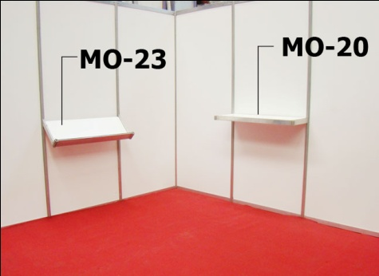 | 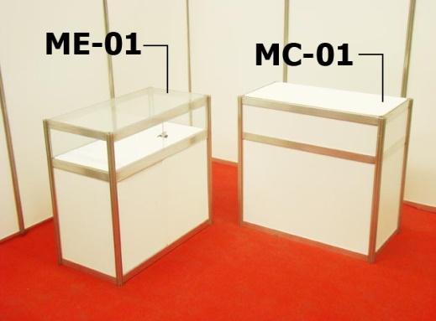 |  |  | 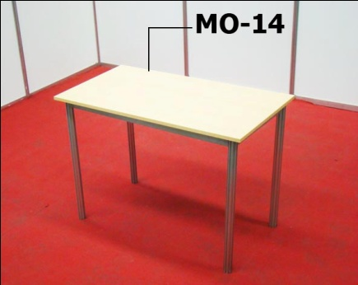
EL-01 | 5 RACK TALL BOOK SHELF | 1.00 | 0.33 | 2.50 | 140.00 |  | 0.00
ES-01P | SHOWCASE 3 SHELVES WITHOUT GLASS (SLIDING DOORS) | 1.00 | 0.50 | 2.50 | 170.00 |  | 0.00
ES-03 | SHOWCASE 3 SHELVES (FOR STORAGE) | 1.00 | 0.50 | 2.50 | 85.00 |  | 0.00
EV-01 | GLASS CABINET WITH 3 SHELVES Height between shelf: 44cm. Maximum weight: 10kg | 1.00 | 0.50 | 2.50 | 200.00 |  | 0.00
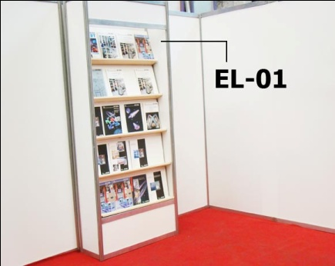 | 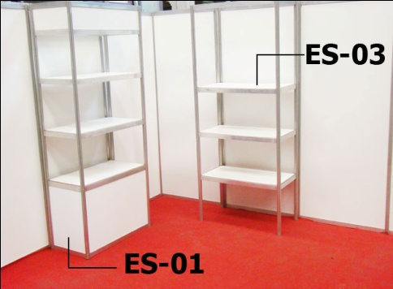

L I G H T S
CODE | DESCRIPTION | WIDTH | DEPTH | HEIGHT | u$s | QUANTITY | AMOUNT
The appliances of lighting are provided placed exclusively on the aluminium perimetral lintel or panels of the Modular System realized by ANSELMI. Appliances are not rented to be located in Stands or facilities of third parties. In case of sockets, they establish themselves with wired up by the columns of aluminium, do not place for floor, not under platforms or carpets. All the offered products are installed by ANSELMI, material is not rented to realize facilities that are not own. ALL THE PRODUCTS REQUESTED OF LIGHTING MUST INCLUDE THE ARTICLE CC-01 (ELECTRICAL CONNECTION)
CC-01 | PLACEMENT OF APPLIANCES, WIRED UP, CONNECTION TO THE ELECTRICAL NETWORK - POWER OUTLET - CIRCUIT BREAKER - ELECTRICAL GUARD DURING THE EVENT |  |  |  | 200.00 |  | 0.00
IS-03 | SPOT LIGHT - SHORT BRACKET WITH LED LAMP | EQUIVALENT TO 100W |  |  | 45.00 |  | 0.00
IS-04 | SPOT LIGHT - LONG BRACKET - 100W | EQUIVALENT TO 100W |  |  | 55.00 |  | 0.00
IS-30 | MULTIPLE SOCKET | MAX 10 AMP |  |  | 45.00 |  | 0.00

G R A P H I C
CODE | DESCRIPTION | WIDTH | DEPTH | HEIGHT | u$s | QUANTITY | AMOUNT
GR-01 | GRAPHIC ON HEADER UP TO 1M IN LENGTH -1 COLOR | 1.00 |  | 0.20 | 25.00 |  | 0.00
GR-04 | GRAPHIC PRINTED ON PANEL SYMA - 2,5M² | 1.00 |  | 2.50 | 170.00 |  | 0.00
GR-03 | GRAPHIC PRINTED UP TO 1M² | 1.00 |  | 1.00 | 105.00 |  | 0.00
Graphs below 1.00m² will have the same value as GR-03
The present budget DO NOT INCLUDE art design, graphic and diagramation. These must be delivered in: Isotype and Logotype: digital files in .cdr, or .ai, all expanded and/or in outlines. Images, Posters or Murals: digital files in .jpg or .tiff, with a minimum of 100DPI in real scale, meaning, the final size of print. MAXIMUM DELIVERING DATE: 7 DAYS PREVIOUS TO ASSEMBLY.
THE FINAL PRICE THAT MUST BE CONTEMPLATED IS THE "TOTAL" ITEM WITH THE FINAL VAT INCLUDED

THE BILLING WILL BE DONE IN RELATION TO THE EXCHANGE OF THE DAY
Both the location of the light appliances, and the shelves and other Infreastructura's elements, they will have to be been located by means of a scheme or sketch on the part of the exhibitor. Any modification on the order will have an additional cost of 50 % |  | Every item is subject to availability accordingly at the moment of the hiring |  |  |  | Charge: | 0.00
 |  |  |  |  |  | TAX 21% | 0.00
 |  |  |  |  |  | TOTAL: | 0.00

